14. Load duration curve
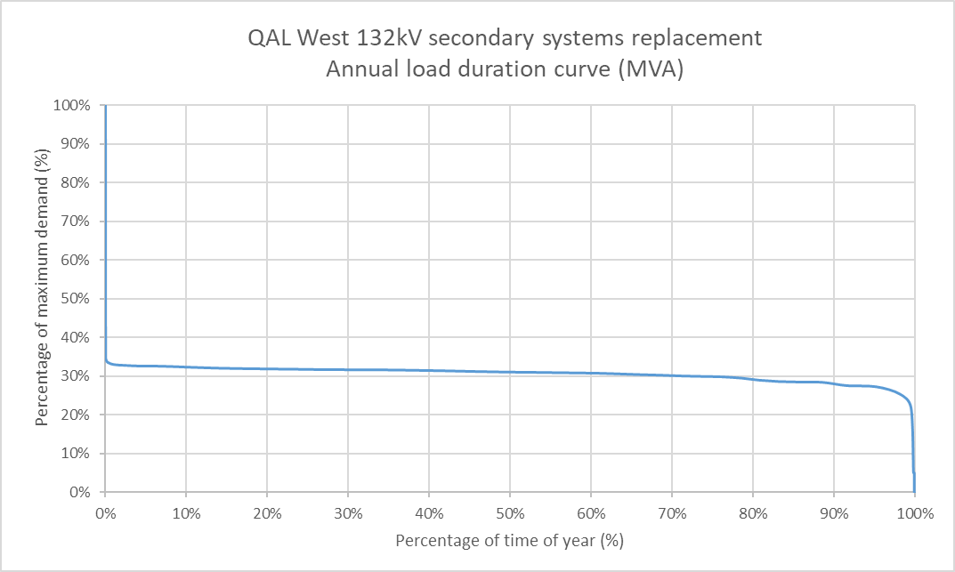
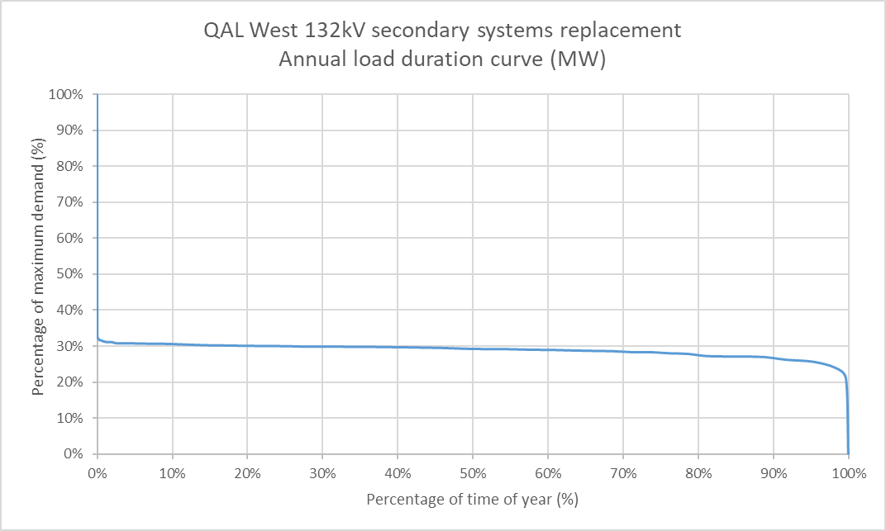

*The data range is from 01-03-18 to 01-03-19

